Help
How To activate API
1 | Register to website for free account | https://pro.coinmarketcap.com/account
2 | Activate your account by verifying your email id
3 | Now login & check your account page
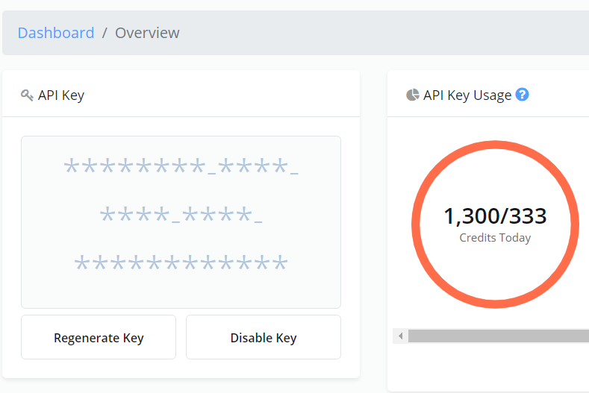
4 | Copy Your API Key

5 |  Paste your api key on conf tab of this sheet after that click on Data> Refresh All

6 | To change auto refresh setting you only need to click on Data >Existing Connection >

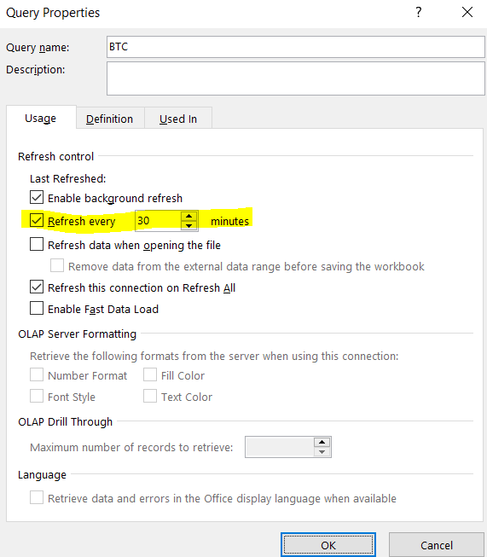
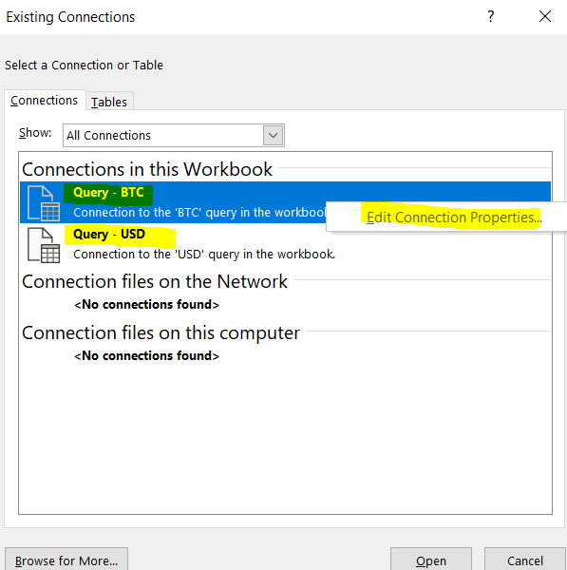
7 | Now right click on "Query BTC" and click "Edit Connection Propterties" Once the new window open you need to modify as per your need, by default its set to 30 minutes. Once you done with the change click OK Now repeat same step for "Query USD" also

8 | You can refresh whole data any time manually by clicking Data > Refresh All to update price & sync the current price from internet

